Trainee
User story ID | User | I want to | So that i can
1 | Trainee | complete the course | gain knowledge
2 | Trainee | mark the attendence | track my attendence
3 | Trainee | submit assignments in course | complete the course assignments
4 | Trainee | rise questions about course | clear my doubts
5 | Trainee | update my timesheet | track myself
6 | Trainee | attend standup call | update my progress
7 | Trainee | view dashboard | track my progress
8 | Trainee | download my assignments | use them as a reference
9 | Trainee | attend quiz | test my learnings
10 | Trainee | view assignment score | find where i made mistakes
11 | Trainee | view the course details | plan accordingly
12 | Trainee | update my status of course completion | attend code reviews
13 | Trainee | submit MOM document | share the experience

Watch Course
Flow Chart
If Online
Login/ Register
View Course
Yes
Submitting Assignments
Course Completion
Attending Review

No
Attend Course

Waiting for Project Allocation
Sharing Feedback
Submitting MOM

 |  | End Of Day 2

Trainee
As a trainee i want to login to the system so that i can view my progress
in my dashboard
As a trainee i want to view the courses assigned to me
As a trainee i want to can view my assignment
As a trainee i want to submit my assignment
As a trainee i want to share my feedback about the course or trainer
As a trainee i want to mark my attendance in the particular course
As a trainee i want to see the review scheduled for me in the dashboard
As a trainee i want to submit the MOM after the review meeting
Functional requirements
Login
View dashboard
View list of courses assigned to me
View the assignments
Submit the assignments
Download the assignments
Share my feedback about the course or trainer
Submit the MOM in the system after the review meeting
Non functional requirements
Easy navigation
Responsiveness
Consistent look in overall app
Visual Hierarchy

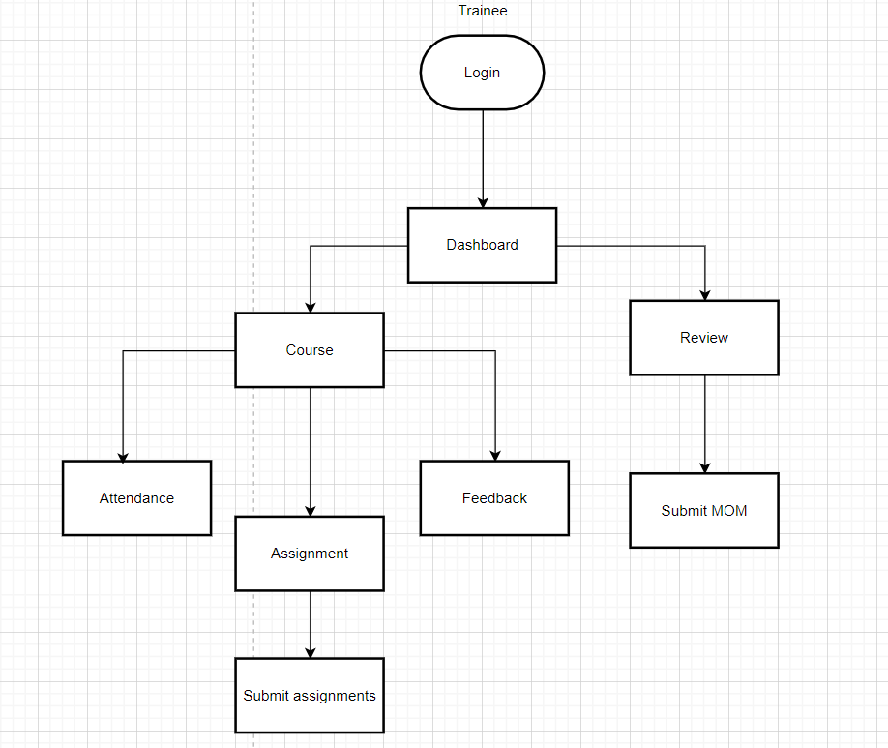

 |  | End Of Day 3

https://www.figma.com/file/nt0nK5I1i8UA5FFseF5ayQ/TMS?node-id=0%3A1

Assumption
Trainee Should Understand The Topics
Trainee can complete the assignment assigned by the trainer.

Trainee Should Attend The Review

Trainee Should Give FeedBack About Course and Trainer
Trainee can Submit The MOM

Constraints

Trainee Should Mark The Attendance
Trainee Should Have Trainer
Trainee Should Have Team Co-Ordinator
Trainee Should Have Access To The Course
Trainee Should Allocated In Technology

Trainee Should Have Course To Learn

Trainee Should Complete The Work On Or Before The End Time

Acceptance criteria
As a trainee I want to login
 | It has two credentials (username,password)
 | The credentials must be correct
 | It navigate to the landing page(dashboard)

As a trainee I want to view the dashboard
 | It contains list of courses
 | It contains upcoming reviews
 | It shows completed reviews

As a trainee I want to view the course
 | It contains attendance
 | It contains study materials
 | It contains trainer details
 | It contains course details(Duration, Course goals, Course description, Prerequisites)

As a trainee I want to put attendance
 | It contains add attendance
 | It contains previously entered attendance
 | It contains filter option to sort the attendance data

As a trainee i want to give feedback
 | It contains text box(maximum of a paragraph)
 | It must be visible to the trainer and training co ordinator
 | It shows previously submitted feedbacks

As a trainee i want to take the assignment
 | It contains several quiz
 | It contains questions as documents ,trainee can download them
 | It contains deadline for the completion

As a trainee i can submit the assignments
 | Trainee can submit completed asssignment as document
 | It display the marks scored

As a trainee i can attend the review
 | It contains the meeting link
 | It contains details about the meeting
 | It shows the peviously attended meeting

As a trainee i should submit the MOM
 | It contains text fields of participants
 | It contains text box(maximum of a paragraph) actions to be done and meeting notes

 |  | End Of Day 4

User Stories
As a trainee i want to login to the system | Acceptance criteria | Assumption | Constraints
 | It needs user credentials | It has two credentials (username,password) | The other actions depend on login
 | The credentials must be correct | If not it will not allow user to login | The other actions depend on login
 | It navigate to the landing page | Landing page is common for all users | The other actions depend on login

As a trainee I want to view the dashboard | Acceptance criteria
 | It should have assigned courses | It should view technology,trainer,duration of the assigned courses | All course may not be displayed in dashboard
 | It should have scheduled review | It should shows review details | Review should assigned by Training cocrdinate
 | It should have search bar | It will help the trainee to find the course quickly

As a trainee I want to view the course | Acceptance criteria
 | It should show attendance marking option | Trainee has to self mark the attendance status | Trainee must be enrolled in that course
 | It should contain topics related to the course | It can be video or document materials | Topics and materials updated by trainer
 | It shows the trainer assigned to the course | It will show the trainer name | Trainer should be assigned by Training coordinate
 | It contains course details | It shows (Duration, Course goals, Course description, Prerequisites) | Should be created during course creation

As a trainee I want to put attendance | Acceptance criteria
 | Trainee can submit the attendance | It can be check box or dropdown | Trainee must be enrolled in that course
 | It will have limited time for marking the attendance | It could be 15-30 mins

As a trainee i want to give feedback | Acceptance criteria
 | Trainee can submit the feedback to trainer | It may be textbox can hold about 500 words | It contains text box(maximum of a paragraph)
 | It must be visible to the trainer and training co ordinator | The input entered in the textbox should be view by Trainer and coordinator | Trainer must be assigned to the course
 | It contains filter option to get a details about feedback | It'll get date from the user | Date must be valid
 | It shows previously submitted feedbacks | It can be a grid or list view

As a trainee i want to take the assignment | Acceptance criteria
 | Activity can be given on daily basis | It can be quiz or exploration | Activity should be submitted by individual
 | It contains questions as documents | trainee can download them | current assignment should be completed before the next one
 | It contains deadline for the completion | Trainee cannot change the deadline | Assignments should be submitted before deadline

As a trainee i can submit the assignments | Acceptance criteria
 | Trainee can submit completed asssignment as document | Trainee can upload both pdf and word document | Upload document size must be limited
 | It displays the marks scored | It may be overall mark scored or individual course | Assignments should be submitted before deadline

As a trainee i can attend the review | Acceptance criteria
 | It contains details about the upcoming meeting | It should have the meeting link | Review must be scheduled by Training cocrdinate
 | It shows the peviously attended meeting | It may have meeting history | Review must be completed
 | The history of reviews will be shown
As a trainee i should submit the MOM | Acceptance criteria
 | It contains text fields of Reviewer and date of review | It may be textbox or dropdown | Date must be valid
 | It contains fields(actions to be done and meeting notes) | MOM must be visible to Training coordinator and reviewer | It may be textbox can hold about 500 words

As a trainee i should logout | Acceptance criteria
 | Trainee can logout | Redirect to login page

User Stories
As a trainee i want to login to the system | Acceptance criteria | Assumption | Constraints
 | It needs user credentials | It has two credentials (username,password) | The other actions depend on login
 | The credentials must be correct | If not it will not allow user to login | The other actions depend on login
 | It navigate to the Dashboard | Landing page is common for all users ?? Home page | The other actions depend on login
 |  |  | ?? i have to receive the credentails mail first
As a trainee I want to view the dashboard | Acceptance criteria
 | It should have assigned courses | It should view technology,trainer,duration of the assigned courses | All course may not be displayed in dashboard
 | It should have scheduled review | It should shows review details | Review should assigned by Training cocrdinate
 | It should have search bar | It will help the trainee to find the course quickly

As a trainee I want to view the course | Acceptance criteria
 | It should show attendance marking option | Trainee has to self mark the attendance status | Trainee must be enrolled in that course
 | It should contain topics related to the course | It can be video or document materials | Topics and materials updated by trainer
 | It contains trainer assigned | It will show the trainer name | Trainer should be assigned by Training coordinate
 | It contains course details | It shows (Duration, Course goals, Course description, Prerequisites) | Should be created during course creation

As a trainee I want to put attendance | Acceptance criteria
 | It should update attendance | It can be check box or dropdown | Trainee must be enrolled in that course
 | Only for specified time attendence will be available | It could be 15-30 mins

As a trainee i want to give feedback | Acceptance criteria
 | Trainer can give his views about course and trainer | It may be textbox can hold about 500 words | It contains text box(maximum of a paragraph)
 | It must be visible to the trainer and training co ordinator | The input entered in the textbox should be view by Trainer and coordinator | Trainer must be assigned to the course
 | It contains filter option to sort feebacks of specific date | It'll get date from the user | Date must be valid
 | It shows previously submitted feedbacks | It can be a grid or list view

As a trainee i want to take the assignment | Acceptance criteria
 | Activity can be given on daily basis | It can be quiz or exploration | Activity should be submitted by individual
 | It contains questions as documents | trainee can download them | current assignment should be completed before the next one
 | It contains deadline for the completion | Trainee cannot change the deadline | Assignments should be submitted before deadline

As a trainee i can submit the assignments | Acceptance criteria
 | Trainee can submit completed asssignment as document | Trainee can upload both pdf and word document | Upload document size must be limited
 | It display the marks scored | It may be overall mark scored or individual course | Assignments should be submitted before deadline

As a trainee i can attend the review | Acceptance criteria
 | It contains details about the upcoming meeting | It should have the meeting link | Review must be scheduled by Training cocrdinate
 | It shows the peviously attended meeting | It may have meeting history | Review must be completed

As a trainee i should submit the MOM | Acceptance criteria
 | It contains text fields of Reviewer and date of review | It may be textbox or dropdown | Date must be valid
 | It contains fields(actions to be done and meeting notes) | MOM must be visible to Training coordinator and reviewer | It may be textbox can hold about 500 words

As a trainee i should logout | Acceptance criteria
 | Trainee can logout | Redirect to login page

Trainer
User story ID | User | I want to | So that i can

1 | internal/external Trainer | teach course to the trainees | train them properly
2 | internal/external Trainer | make them understand the concepts | make them gain knowledge
3 | internal/external Trainer | plan the schedule | complete within the given time
4 | internal/external Trainer | guide them with the project | Push them for project review
5 | internal/external Trainer | conduct a clarification session | clarify their doubts
6 | internal/external Trainer | Monitor their works | know whats their progress
7 | internal/external Trainer | track attendence of trainee | report to higher ups
8 | internal/external Trainer | Provides feedback | make trainees improve themself
9 | internal/external Trainer | view status Update | track them on daily basis
10 | internal/external Trainer | update my timesheet | track myself

Flow Chart
 | Trainer - > Register/Login - > Attendence - > Plan the Course - > Assignments - > Session Clarification - > Feedback

Register/Login
Attendance
Plan the course
Session Handling
Assignments
Clarifying doubts
Feedback about trainee

 |  | End Of Day 2

2022-04-05

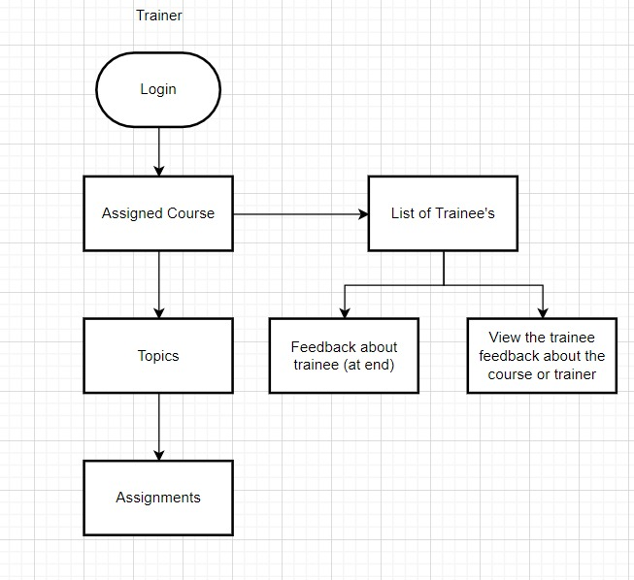

 |  |  |  |  | .

 | User story ID | User | I want to | So that i can
 | 1 | Trainer | Login | Enter into the assigned course
 |  |  | View the courses | see the course topics
 |  |  | View the topics | complete the scheduled topics
 |  |  | give assignments to the trainee | evaluate their understandings

 |  |  | View the course | list of students enrolled
 |  |  | View the student list | view feedback from the trainee
 |  |  | View the student list | give feedback about the trainee

Trainer
As a trainer i want to login to the system so that i can view my assigned course.
As a trainer i want to view the courses assigned to me,so that i can view the course topics.
As a trainer i want to view the topics, so that i can complete the scheduled topics.
As a trainer i want to give the assignments to the trainee,so that i can evaluate their understanding.
As a trainer i want to view the course,so that i can view the list of students who are enrolled in the course.
As a trainer i want to view the student list,so that i can get feedbacks from the trainee. reuse trainee
As a trainer at the end of the course, i want to give my feedbacks about the trainees.
Functional requirements
Login
View the course
View the Topics
Give assignments
Share my feedback about the trainee
View Trainee feedback

 |  | End Of Day 3

Constraints
Trainer should have credentials to access the course
Trainer should have the trainee
Trainer should have a training co-ordinator
Trainer should have been allocated to the course
Trainer should complete the topics within the scheduled time

Assumption

Trainer can cover all the topics
Trainer can give the assignment to the trainees
Trainer can give feedback
Trainer can view the trainee feedback

 |  | Acceptance criteria:

 |  |  | It has two credentials (username,password)
 |  |  | The credentials must be correct
 | Column1 |  | It should navigate to the assigned course

Trainer
1)As a trainer i want to login to the system so that i can view my assigned course.
Acceptance criteria:
It has two credentials (username,password)
The credentials must be correct
It should navigate to the assigned course
2)As a trainer i want to view the courses assigned to me,so that i can view the course topics.
Acceptance criteria:
I want to know what are the topics inside that course
I want to know the time duration to complete the course
3)As a trainer i want to give the assignments to the trainee,so that i can evaluate their understanding.
Acceptance criteria:
I want to evaluate their understandings on daily basis.
As a trainer i want to give the assignments to the trainee,so that i can evaluate their understanding.
As a trainer i want to view the course,so that i can view the list of students who are enrolled in the course.
As a trainer at the end of the course, i want to give my feedbacks about the trainees.

Column1
Acceptance criteria

 |  | End Of Day 4

User Story | Acceptance Criteria | Assumption | Constraints

As a trainer i want to login to the system | It has two credentials (username,password) | Can login with the credentials | The other actions depend on login
 | The credentials must be correct | if not you are not allowed to login | The other actions depend on login
 | It should navigate to the Landing Page | Landing page is common for all users | The other actions depend on login

As a trainer i want to view the course | choose from the list of course | It can be grid view or list | Course must be present
 | It contains course details | It can show time duration, Progress, List of trainees | Detailed description about the course

As a trainer i want to view the List of topics | A list of different topics will be available | It can be grid view or list | Topic must present
 | choose from the list of topics | trainer can conduct session from one of the topic | Trainer and trainee must be present

As a trainer i want to give the assignments | On daily basis trainer will assign some task to trainee | It can be quiz,descriptive way | current assignment should be completed before the next one
 | trainer can give certain time to complete | after the duration assignments cannot be submitted | assignments should be submitted on time

As a trainer i can give my feedback for my trainee | It consists of a textbox,here trainer can give his views | Trainee or training coordinator can view the feedback | Text box can hold upto 500 words

As a trainee i should logout | Trainer can logout | Redirect to login page | Trainer must be login

Training Co Ordinator
User story ID | User | I want to | So that i can
1 | Training Co-ordinator | Login | Can access the application
2 | Training Co-ordinator | Register for the trainee | Login credential can be mail to the trainee
3 | Training Co-ordinator | Assign courses to the trainee | trainee can learn the courses
4 | Training Co-ordinator | Assign trainer to the trainee | Trainer can pass the knowledge
5 | Training Co-ordinator | Monitor the trainee | see the progress of the trainee
6 | Training Co-ordinator | See the status of the trainer | Know the Progress of the course
7 | Training Co-ordinator | Schedule the review for the trainee | Check the knowledge of the trainee
8 | Training Co-ordinator | Send mail to the reviewer | review the trainee performance
9 | Training Co-ordinator | Can filter the trainee by technology,department,course and trainer | organize the data of trainee
10 | Training Co-ordinator | Allocate the project to the trainee | trainee can work in the project
11 | Training Co-ordinator | create a batch | Assign the batch to course/Trainer

Flow Chart

Login
Register for Trainee
Assign course
Monitor the Trainee
Schedule Review
Get Feedback
Project Allocation

 |  | End Of Day 2

Login

Register Trainee
Register Trainer
Schedule Review
View Course

Send Login Credentials

Assign Course to Trainee
Assign Course to Trainer
Trainee
Reviewer

Monitor
Feedback
Submitting MOM

1) As a Training Co-ordinator i want to login to the system so that i can Access the application
2) As a Training Co-ordinator i want to Register for trainee so that i can send the login credential through mail to the trainee
3) As a Training Co-ordinator i want to Register for trainer so that i can send the login credential through mail to the trainee.
4) As a Training Co-ordinator i want to view the courses list so that i can Discuss and assign trainer to the course.
5) As a Training Co-ordinator i want to view the courses so that i can assign trainee to course .
6) As a Training Co-ordinator i want to monitor the trainee so that i can see the progress of the trainee
7) As a Training Co-ordinator i want to see the status of the course so that i can know the progress of the course .
8) As a Training Co-ordinator i want to Schedule review to the trainee so that the Reviewer can check the knowledge of the trainee.
9)As a Training Co-ordinator i want to Schedule review to the Reviewer so that the Reviewer can analyse the performance of the trainee.
Functional requirements
Login
Register
View course list
Assign course
Monitor
Schedule review
Non functional requirements
Easy navigation
Maintainability
Scalability
Compacctability

 |  |  |  | course creation

 |  | End Of Day 3

Login

Create course
Register Trainee
Register Trainer
Schedule Review

View course
Send Login Credentials

Trainee
Reviewer

Assign Course to Trainee
Assign Course to Trainer

Feedback
Submitting MOM

Monitor

1) As a Training Co-ordinator i want to login to the system so that i can Access the application
2) As a Training Co-ordinator i want to Register for trainee so that i can send the login credential through mail to the trainee
3) As a Training Co-ordinator i want to Register for trainer so that i can send the login credential through mail to the trainee.
4) As a Training Co-ordinator i want to create the courses list so that i can view the course list .
5) As a Training Co-ordinator i want to view the courses so that i can assign trainee to course .
6) As a Training Co-ordinator i want to view the courses so that i can assign trainer to course .
7) As a Training Co-ordinator i want to monitor the trainee so that i can see the progress of the trainee
8) As a Training Co-ordinator i want to see the status of the course so that i can know the progress of the course .
9)As a Training Co-ordinator i want to Schedule review to the Reviewer so that the Reviewer can analyse the performance of the trainee.
Functional requirements
Login
Register
View course list
Assign course
Monitor
Schedule review
Non functional requirements
Easy navigation
Maintainability
Scalability
Compatibility

User Stories
1) As a Training Co-ordinator i want to login to the system so that i can Access the application.
Acceptance criteria
Training coordinator should have been registered to have login credentials.
Text box to enter username.
Text box to enter password.
Click on login button to move to the home screen.
User Stories
2) As a Training Co-ordinator i want to Register for trainee so that i can send the login credential through mail to the trainee.
Acceptance criteria
Training Co-ordinator should know the list of trainee details
All the fields in registration page is mandatory
After registration of each trainee,mail containing login credentials should be sent to the trainee.
Trainee should be able to login with the given credentials
User Stories
3) As a Training Co-ordinator i want to Register for trainer so that i can send the login credential through mail to the trainee.
Acceptance criteria
Training Co-ordinator should know the list of trainer details
All the fields in registration page is mandatory
After registration of each trainer,mail containing login credentials should be sent to the trainer
Trainer should be able to login with the given credentials
User Stories
4) As a Training Co-ordinator i want to create the courses so that i can view the course list .
Acceptance criteria
Training Co-ordinator should have the course Name
Training Co-ordinator should have the course Description
Training Co-ordinator should have the course duration
Course should be created and added to the course list
User Stories
5) As a Training Co-ordinator i want to view the courses so that i can assign trainee to course .
Acceptance criteria
Training Co-ordinator should have the Trainee name
Training Co-ordinator should have the Trainer name
Training Co-ordinator should have the course name
Trainee should be able to view the course details
User Stories
6) As a Training Co-ordinator i want to view the courses so that i can assign trainer to course
Acceptance criteria
Training Co-ordinator should have the Trainee name
Training Co-ordinator should have the Trainer name
Training Co-ordinator should have the course name
Trainee should be able to view the course details
User Stories
7) As a Training Co-ordinator i want to monitor the trainee so that i can see the progress of the trainee
Acceptance criteria
Training Co-ordinator can see the attendance of the trainee
Training Co-ordinator can see the progress of the course
Training Co-ordinator can see the feed back of the trainee about the course
User Stories
8) As a Training Co-ordinator i want to see the status of the course so that i can know the progress of the course .
Acceptance creteria
Trainer should be assigned with a course.
Trainer should update the topics completed status or in progress status.
User Stories
9)As a Training Co-ordinator i want to Schedule review to the Reviewer so that the Reviewer can analyse the performance of the trainee.
Acceptance creteria
Training co-ordinator should know the reviewer
Training co-ordinator should know the trainee
Training co-ordinator should know the reviewe date
Training co-ordinator should send the notification about the review to reviewer and trainee
Reviewer and trainee should receive the notification.

 |  |  | End Of Day 4

 |  | User Story | Acceptance Criteria | Assumption | Constraints
 |  | 1)As a Training Co-ordinator i want to login to the system so that i can Access the application. | Training coordinator should have been registered to have login credentials. Login page should have a text box to enter username. Login page should have a text box to enter password. Click on login button to move to the home screen. |  | Training head should register for the traing co-ordinator. The login credentials should be correct.

 |  | 2)As a Training Co-ordinator i want to Register for trainee so that i can send the login credential through mail to the trainee | Training Co-ordinator should know the list of trainee details . After registration of each trainee,mail containing login credentials should be sent to the trainee. Trainee should be able to login with the given credentials. | After registration by training co ordinator, login credentials will be sent to the trainee Through mail. | Training co ordinator should have the trainee details.

 |  | 3) As a Training Co-ordinator i want to Register for trainer so that i can send the login credential through mail to the trainer. | Training Co-ordinator should know the list of trainee details . After registration of each trainee,mail containing login credentials should be sent to the trainee. Trainee should be able to login with the given credentials. | After registration by training co ordinator, login credentials will be sent to the trainer Through mail. | Training co ordinator should have the trainer details.

 |  | 4) As a Training Co-ordinator i want to create the courses so that Course will be shown in the course list . | Training Co-ordinator should have the course Name Training Co-ordinator should have the course Description Training Co-ordinator should have the course duration Course should be created and added to the course list |  | Training co ordinator should have the course name,course description,course duration.

 |  | 5) As a Training Co-ordinator i want to assign course to the trainee so that trainee and trainer can view the course . | Training Co-ordinator should have the Trainee name Training Co-ordinator should have the Trainer name Training Co-ordinator should have the course name Trainee should be able to view the course details |  | There should be atleast one trainer. There should atleast one course.

 |  | 6) As a Training Co-ordinator i want to view the courses so that i can assign trainer to course | Training Co-ordinator should have the Trainee name Training Co-ordinator should have the Trainer name Training Co-ordinator should have the course name Trainee should be able to view the course details |  | There should be atleast one trainer. There should atleast one course.

 |  | 7) As a Training Co-ordinator i want to monitor the trainee so that i can see the progress of the trainee | Training Co-ordinator can see the attendance of the trainee Training Co-ordinator can see the progress of the course Training Co-ordinator can see the feed back of the trainee about the course | Continous tracking will be done by the training co ordinator to know the performance of the trainee | Training Co-ordinator should be able to know the course progress of the trainee

 |  | 8) As a Training Co-ordinator i want to see the status of the course so that i can know the progress of the course . | Trainer should be assigned with a course. Trainer should update the topics completed status or in progress status. |  | There should be atleast one course . Trainer should be assigned to the course .Trainer should update the topics completed status.

 |  | 9)As a Training Co-ordinator i want to Schedule review to the Reviewer so that the Reviewer can analyse the performance of the trainee. | Training co-ordinator should know the reviewer Training co-ordinator should know the trainee Training co-ordinator should know the reviewe date Training co-ordinator should send the notification about the review to reviewer and trainee Reviewer and trainee should receive the notification. | A report with the trainee's feedback will be created | There should be atleast one reviewer. There should atleast one trainee.

 |  |  |  | End Of Day 5

 |  |  | User Story | Acceptance Criteria | Assumption | Constraints
 |  |  | 1)As a Training Co-ordinator i want to login to the system so that i can Access the application. | Training coordinator should have been registered to have login credentials. Login page should have a text box to enter username. Login page should have a text box to enter password. Click on login button to move to the home screen. |  | Training head should register for the traing co-ordinator. The login credentials should be correct.

 |  |  | 2)As a Training Co-ordinator i want to Register for trainee so that i can send the login credential through mail to the trainee | Training Co-ordinator should know the list of trainee details . After registration of each trainee,mail containing login credentials should be sent to the trainee. Trainee should be able to login with the given credentials. | After registration by training co ordinator, login credentials will be sent to the trainee Through mail. | Training co ordinator should have the trainee details.

 |  |  | 3) As a Training Co-ordinator i want to Register for trainer so that i can send the login credential through mail to the trainer. | Training Co-ordinator should know the list of trainee details . After registration of each trainee,mail containing login credentials should be sent to the trainee. Trainee should be able to login with the given credentials. | After registration by training co ordinator, login credentials will be sent to the trainer Through mail. | Training co ordinator should have the trainer details.

 |  |  | 4) As a Training Co-ordinator i want to create the courses so that Course will be shown in the course list . | Training Co-ordinator should have the course Name Training Co-ordinator should have the course Description Training Co-ordinator should have the course duration Course should be created and added to the course list.Course list should contain topics. |  | Training co ordinator should have the course name,course description,course duration.

 |  |  | 5) As a Training Co-ordinator i want to assign course to the trainee so that trainee and trainer can view the course . | Training Co-ordinator should have the Trainee name Training Co-ordinator should have the Trainer name Training Co-ordinator should have the course name Trainee should be able to view the course details |  | There should be atleast one trainer. There should atleast one course.

 |  |  | 6) As a Training Co-ordinator i want to view the courses so that i can assign trainer to course | Training Co-ordinator should have the Trainee name Training Co-ordinator should have the Trainer name Training Co-ordinator should have the course name Trainee should be able to view the course details |  | There should be atleast one trainer. There should atleast one course.

 |  |  | 7) As a Training Co-ordinator i want to monitor the trainee so that i can see the progress of the trainee | Training Co-ordinator can see the attendance of the trainee Training Co-ordinator can see the progress of the course Training Co-ordinator can see the feed back of the trainee about the course | Continous tracking will be done by the training co ordinator to know the performance of the trainee | Training Co-ordinator should be able to know the course progress of the trainee

 | Constraints
Training co-ordinator | Training co-ordinator should have credentials to access the system |  | 8) As a Training Co-ordinator i want to see the status of the course so that i can know the progress of the course . | Trainer should be assigned with a course. Trainer should update the topics completed status or in progress status. |  | There should be atleast one course . Trainer should be assigned to the course .Trainer should update the topics completed status.
 | Training co-ordinator should have reviewer and trainee to schedule review
 | Training co-ordinator shoulde have the list of Courses to assign to the trainee and trainer
 | Training co-ordinator should have list of trainee and trainer to register them into the system
 |  |  | 9)As a Training Co-ordinator i want to Schedule review to the Reviewer so that the Reviewer can analyse the performance of the trainee. | Training co-ordinator should know the reviewer Training co-ordinator should know the trainee Training co-ordinator should know the reviewe date Training co-ordinator should send the notification about the review to reviewer and trainee Reviewer and trainee should receive the notification. | A report with the trainee's feedback will be created | There should be atleast one reviewer. There should atleast one trainee.

 | 4) As a Training Co-ordinator i want to create the courses so that i can view the course list .

 | User Stories

 | Acceptance criteria
 | Training Co-ordinator should have the Trainee name
 | Training Co-ordinator should have the Trainer name
 | Training Co-ordinator should have the course name
 | Trainee should be able to view the course details
 | User Stories
 | 6) As a Training Co-ordinator i want to view the courses so that i can assign trainer to course
 | Acceptance criteria
 | Training Co-ordinator should have the Trainee name
 | Training Co-ordinator should have the Trainee name
 | Training Co-ordinator should have the Trainee name
 | Training Co-ordinator should have the Trainee name

 | User Stories
 | 7) As a Training Co-ordinator i want to monitor the trainee so that i can see the progress of the trainee
 | Acceptance criteria
 | Training Co-ordinator can see the attendance of the trainee
 | Training Co-ordinator can see the progress of the course
 | Training Co-ordinator can see the feed back of the trainee about the course
 | User Stories

 | 8) As a Training Co-ordinator i want to see the status of the course so that i can know the progress of the course .
 | Acceptance creteria

 | User Stories

 | 9)As a Training Co-ordinator i want to Schedule review to the Reviewer so that t

Training Head
User Story ID | As a <type of user> | I want to <perform some task> | so that i can < achive some goal>
1 | training head | register in the application | access the module
2 | training head | find the no of vacceny in the project | assign the trainee
3 | training head | find the no of trainee | assign the dept
4 | training head | get access of trainer and trainee details | moniter the performance of trainer and trainee
5 | training head | Can filter the trainee by technology,department,course and trainer | organize the data of trainee(for analytics)

 | Flow diagram
Register/Login
Assign work to coordinator
Assign Dept
Moniter the performance

 |  |  | End Of Day 2

 | User Story ID | User | I want to <perform some task> | so that i can < achive some goal> | Users
 | i | training head | login to the application | access the application | co ordinator
 |  | training head | register the co ordinator | give work to co ordinator | trainer
copy |  | training head | send login credentials | give access to the co ordinator to the application | trainee
 |  | training head | monitor all the activity | get all the performance and details of the users
 |  |  | home page | to see what

 |  |  |  | Flow diagram

Login
s.no | Functional requirements
1 | Login
2 | Register
3 | Monitor

register training co odinator
Monitor

send login credentials

 |  | End Of Day 3

 | User Story ID | User | I want to <perform some task> | so that i can < achive some goal>
 | 1 | training head | login to the application | access the application
 | 2 | training head | go to home page | view dashboard
 | 3 | training head | register the co ordinator | give access to the co ordinator to the application
 | 4 | training head | view all the activity | get all the performance and details of the users

Login

Dashboard

register training co odinator
View details

send login credentials

User story:
1. As a Training head I want to login to the application so that I can access the application.
2. As a Training head I want to go to home page so that I can view dashboard.
3. As a Training head I want to register the co ordinator so that I can give access to the co ordinator to the application.
4. As a Training head I want to view all the activity so that I can get all the performance and details of the users.
Acceptance Criteria:
1. As a Training head I want to login to the application so that I can access the application.
* Enter user name
* Enter password
* Click login to go to home page
2. As a Training head I want to go to home page so that I can view dashboard.
* See the option in the dashboard
* Use the option in the dashborad to perform the action.
* click register option to neagvite to register page
* click view status option to neagvite to view details page
3.As a Training head I want to register the co ordinator so that I can give access to the co ordinator to the application.
* Enter co ordinator details to register the co ordinator.
* Create login credentials and send the credentials to the co ordinator via e-mail.
4. As a Training head I want to view all the activity so that I can get all the performance and details of the users.
* Enter the feilds in the view detail page to View trainer details.
* Enter the feilds in the view detail page to View trainee details.
Assumption:
1. Training head can register the training co ordinator.
2. Training head can monitor trainer and trainee activities.
Constraints:
1. Training head should give Login credentials to Co ordinator.
2. Training head should view the details of Trainer and Trainee.

 |  |  | End Of Day 4

 | User Story | Acceptance Criteria | Assumption | Constraints
 | As a Training head I want to login to the application | It Needs User Login Credentials | It has Two credentials | Need User for Login to the Application
 |  | User Login Credentials must be correct | If not user is not allowed to login
 |  | It should navigate to Landing Page | Landing Page is common for all users

 | As a Training head I want to go to home page | It should have Register Option | It have option for Register other Users | Want to Login for view the Home Page
 |  | It should have View Status Option | It shows the other users details

 | As a Training head I want to register the co ordinator | Inorder to register,coordinator details are needed | Valid details are required
 |  | Credentials should be send to coordinator | Valid credentials should be entered

 | As a Training head I want to view all the activity |  |  | activities of trainer,trainee and coordinator should be present

OTHERS (eg=Delivery Head)
Name this book properly

User story ID | User | I want to | So that i can
1 | Delivery head | check the no of trainees attending course | monitor them
2 | Delivery head | track the course deadline | delpoy them to the project
3 | Delivery head | dynamic report generation | for analytics
4 | Mentor | guide the individuals | emphasis towards their goal
5 | Mentor | answer the querys | clear their doubts
6 | Mentor | give assement | check their understanding on course or concept
7 | Mentor | check the MOM | give feedbacks and report to higher ups
8 | Mentor | arrange standup call | check their progress
9 | Mentor | give feedbacks | make trainee to improve themselves
10 | Mentor | track attendence of trainee | report to higher ups
11 | Code Reviewer | attend the review | assess the knowledge of the trainee
12 | Code Reviewer | give feedbacks about trainee | finish the work assigned to me

Flow Chart

monitoring trainee's/trainer activities
Tracking course deadline
Report Generation
 | Delivery head

Assists the individual trainees
Giving Assignments
Doubt Clarification
check the MOM
Arrange the standup calls
 | Mentor

 |  |  | End Of Day 2

Flow Chart


Data Model
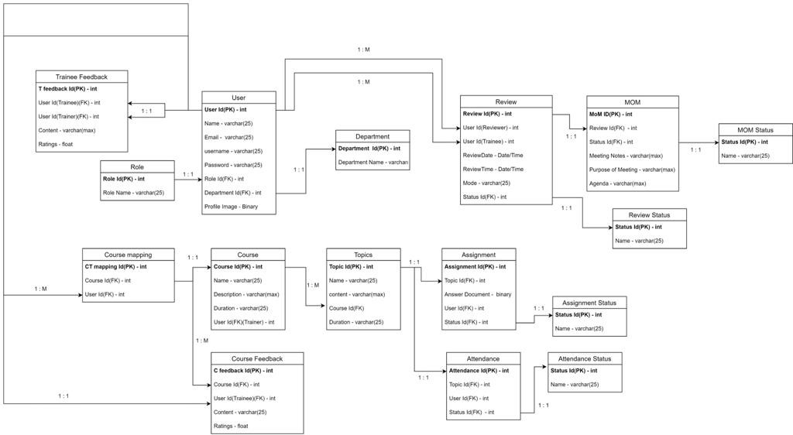
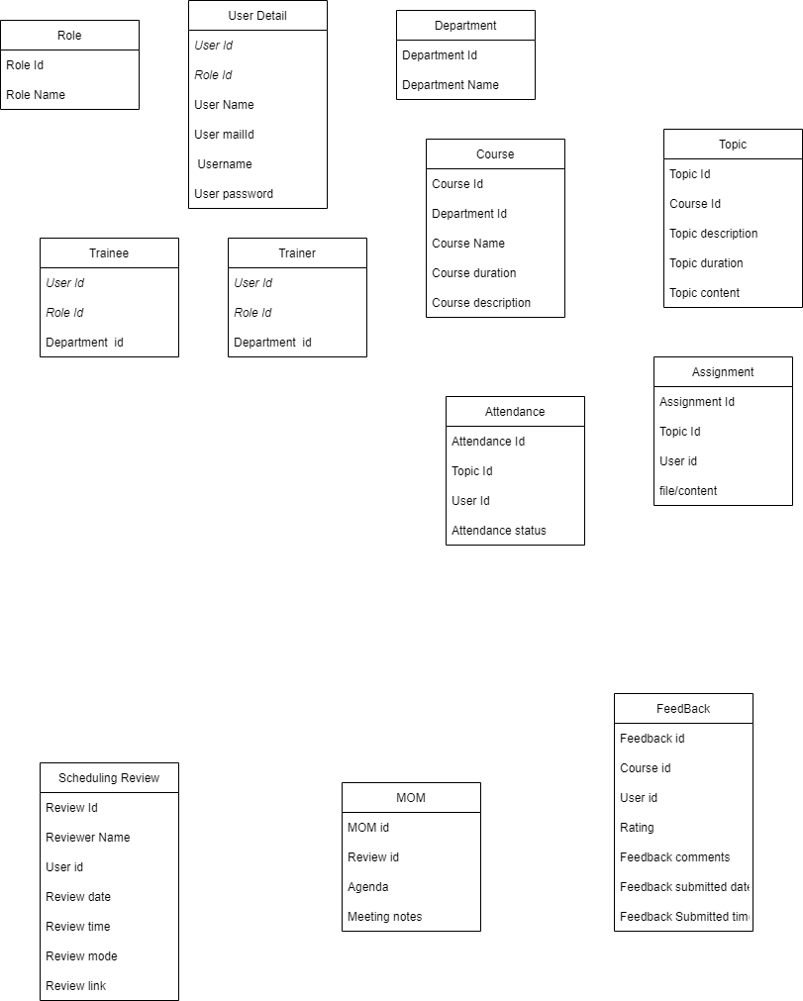

Class Diagram

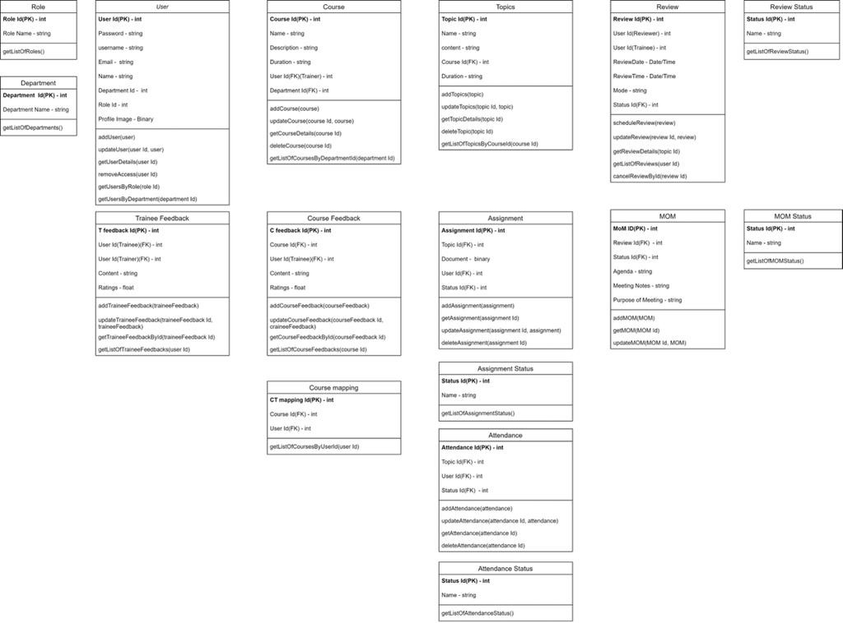

Physical Model

View model
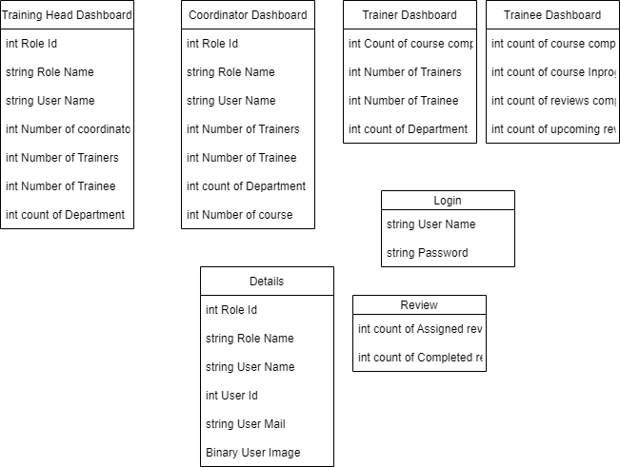

View Models

